Sheet1
 | Locus Tag | ProteinName | SignalP-6.0 | No. Predicted TMRs | BlastP Top Hit Scientific Name | Blast Secondary Hit | Blast Description | Pfam Domain Description | what they do
01_639 | BHKGJOEO_01607 | HP | other | 3 | Salinibacterium soli | Rhodoglobus sp. | HP | N/A | N/A
08_506 | BJCPALHD_03475 | Ribonuclease P protein component | other | 0 | Flavobacterium sp. | N/A | adenine phosphoribosyltransferase | Phosphoribosyl transferase domain | catalyzes the salvage of free adenine into AMP by transferring phosphoribosyl pyrophosphate (PRPP) onto adenine
08_506 | BJCPALHD_04550 | HP | other | 0 | uncultured bacterium | N/A | HP | N/A | N/A
04_50 | CMILMNLC_02913 | Cytochrome c-552 | other | 0 | Paracoccaceae bacterium | Too many | cytochrome C family Protein | Cytochrome c | soluble heme protein that shuttles electrons between Complex III (ubiquinol–cytochrome c reductase) and Complex IV
01_639 | DMAPLEDO_01884 | HP | other | 0 | N/A | N/A | N/A | N/A | N/A
01_639 | DMAPLEDO_02338 | HP | lipoprotein_signal_peptide | 0 | Erythrobacter sp. | Porphyrobacter sp. | DUF3617 domain-containing protein/ HP | Protein of unknown function (DUF3617) | N/A
01_639 | DMAPLEDO_02418 | HP | other | 0 | Porphyrobacter sp. | N/A | HP | N/A | N/A
11_US_EPA | EECDKENA_03721 | HP | other | 0 | Hydrogenophaga sp. | Burkholderiales bacterium | phasin family protein | Poly(hydroxyalcanoate) granule associated protein (phasin) | storage polyester for intracellular carbon and energy reserve material
11_US_EPA | EECDKENA_04391 | HP | other | 0 | Delftia tsuruhatensis | Too many | HP | N/A | N/A
11_US_EPA | EECDKENA_04480 | HP | other | 0 | Janthinobacterium sp. AD80 | Duganella sp. HH105 | HP | N/A | N/A
11_US_EPA | EECDKENA_04641 | HP | Signal Peptide(Sec/SPI) 99% | 0 | Gemmatimonas sp. | Thermomicrobium sp. | SCO family protein | SCO1/SenC | involved in biogenesis of cyctochrome c oxidase
06_52 | ENNGKCNB_02663 | HP | lipoprotein_signal_peptide | 0 | unclassified Microcoleus | Microcoleus sp. | HP | N/A | N/A
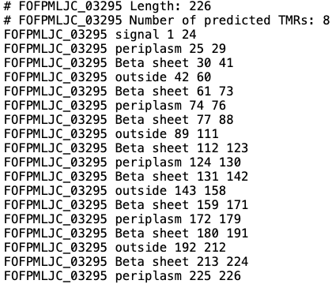
01_639 | EOOPIEPK_02952 | HP | other | 0 | (Hypothetical) Methylobacterium radiotolerans | N/A | HP | N/A | N/A
07_58 | FHLCMHEM_01566 | HP | Signal Peptide(Sec/SPI) 94% | 0 | Oscillatoriales cyanobacterium | Too many | HP/ fap1 adhesion-like | N/A | N/A
02_640 | FOFPMLJC_00071 | HP | signal_peptide | 0 | Burkholderiales bacterium | Chitinophagaceae bacterium | HP/ type II toxin-antitoxin system ParD family antitoxin | N/A | N/A
02_640 | FOFPMLJC_02299 | HP | lipoprotein_signal_peptide | 0 | Hyphomonas sp. | N/A | HP | N/A | N/A
02_640 | FOFPMLJC_03295 | Outer membrane protein W | signal_peptide | 8 | Hyphomonas sp. | N/A | OmpW/AlkL family protein | OmpW family | may confer salt tolerance
02_640 | FOFPMLJC_03398 | IS3 family transposase ISAzs23 | other | 0 | Novosphingobium sp. PhB55 | N/A | IS3 family/putative Transposase | Integrase core domain | mediates integration of viral genome into host chromosome
02_640 | FPFHHPNP_02136 | Thiol-disulfide oxidoreductase ResA | other | 0 | Cytophagales bacterium | N/A | Thioredoxin family protein/ redoxin domain-containing protein | AhpC/TSA family/ Peroxiredoxin like | reduction of peroxides, specifically hydrogen peroxide, alkyl hydroperoxides, and peroxynitrite
02_640 | GFLFOGJA_00172 | HP | signal_peptide | 0 | Alphaproteobacteria bacterium | Brevundimonas sp. | YbjN domain-containing protein | Putative bacterial sensory transduction regulator | general stabiliser for some other unstable proteins
02_640 | GFLFOGJA_02833 | HP | other | 0 | Paracoccaceae bacterium | Rhodobacter calidifons | NADPH-dependent oxidoreductase/ NADPH-dependent FMN reductase | NADPH-dependent FMN reductase | primarily reduces NADPH as an electron donor
03_24 | HFNCNDHA_02240 | HP | other | 0 | Bradyrhizobium sp. dw_78 | Halieaceae bacterium | HP | N/A | N/A
02_640 | IOEHNOCH_02887 | HP | other | 0 | N/A | N/A | N/A | N/A | N/A
05_51 | JEDBDOFF_01777 | HP | other | 0 | Erythrobacter sp. | Porphyrobacter sp. | YbhB/YbcL family Raf kinase inhibitor-like protein | Phosphatidylethanolamine-binding protein | lipid binding, neuronal development, serine protease inhibition, the control of the morphological switch between shoot growth and flower structures
10_27 | KAIPCKHB_00362 | Plastocyanin | lipoprotein_signal_peptide | 0 | Gemmatimonas sp. | N/A | plastocyanin/azurin family copper-binding protein | Copper binding proteins, plastocyanin/azurin family | N/A
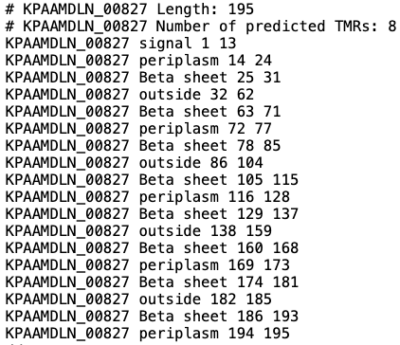
10_27 | KAIPCKHB_00595 | HP | other | 0 | N/A | N/A | N/A | N/A | N/A
08_506 | KHKJMBJJ_00769 | HP | signal_peptide | 0 | Hydrogenophaga sp. | N/A | Spy/CpxP family protein refolding chaperone | LTXXQ motif family protein | CpxP-- a periplasmic protein that helps in combating extracytoplasimic protein-mediated toxicity. Or Spy-- another periplasmic protein that may be involved in the response to stress
08_506 | KHKJMBJJ_02595 | HP | other | 0 | Hydrogenophaga sp. | N/A | DUF3108 domain-containing protein | Protein of unknown function (DUF3108) | no known function
11_US_EPA | KPAAMDLN_00827 | HP | other | 8 | Phnomibacter ginsenosidimutans | Sphingobacterium | outer membrane beta-barrel protein | Outer membrane protein beta-barrel domain | N/A
04_50 | LCEFPCKP_00448 | NADPH-dependent 7-cyano-7-deazaguanine reductase | other | 0 | Brevundimonas sp. | N/A | preQ(1) synthase/ NADPH-dependent 7-cyano-7-deazaguanine reductase QueF | QueF-like protein | related to the biosynthesis of queuosine
04_50 | LCEFPCKP_01093 | HP | other | 0 | Brevundimonas sp. | Caulobacteraceae bacterium | HP | N/A | N/A
04_50 | LCEFPCKP_02837 | HP | other | 0 | unclassified Brevundimonas | Brevundimonas sp. | HP | N/A | N/A
04_50 | NAJEKJFG_05201 | HP | Signal Peptide(Sec/SPI) 83% | 0 | unclassified Microcoleus | Microcoleus sp. | HP | N/A | N/A
08_506 | NOJLBPDI_00687 | HP | signal_peptide | 0 | Erythrobacter sp. BLCC-B19 | Too many | flagella basal body P-ring formation protein FlgA | FlgA N-terminal domain/ Chaperone for flagella basal body P-ring formation | biofim formation/
08_506 | NOJLBPDI_00915 | Single-stranded DNA-binding protein | other | 0 | Erythrobacter sp. | too many | single-stranded DNA-binding protein | Single-strand binding protein family | DNA replication, recombination and repair
08_506 | NOJLBPDI_00978 | HP | lipoprotein_signal_peptide | 0 | Erythrobacter sp. | Porphyrobacter sp. | HP | N/A | N/A
06_52 | ODGHFJCC_01174 | 30S ribosomal protein S5 | other | 0 | Flavobacterium | N/A | MULTISPECIES: 30S ribosomal protein S5 | Ribosomal protein S5, C-terminal domain/ Ribosomal protein S5, N-terminal domain | translation assembly

